Iconography
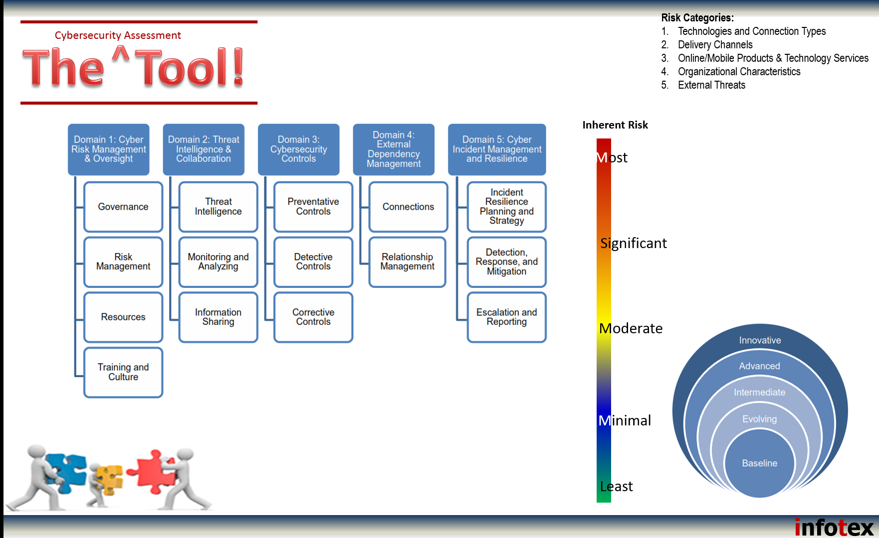

Assessment Shape
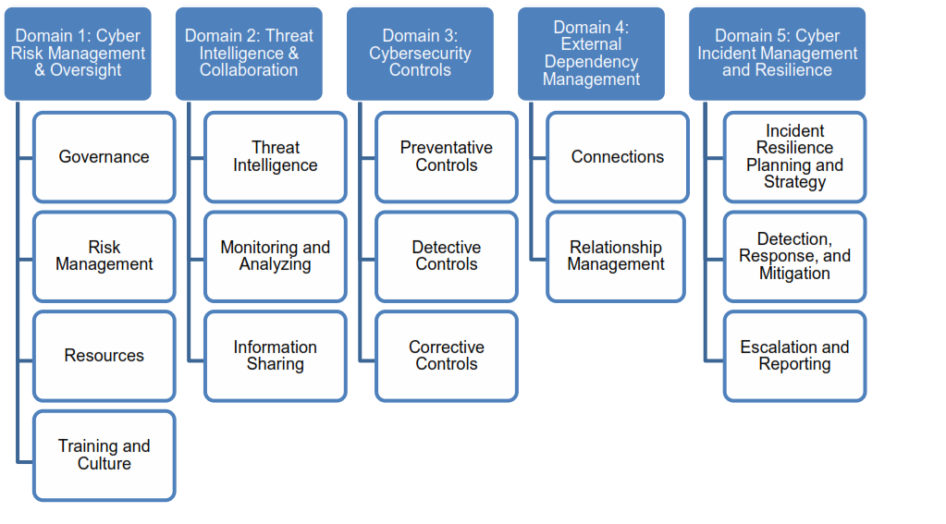
Domain Map |  |  |  |  | Domain Metrics:
 |  |  |  |  | Domain | # Factors | # Components | # Statements | # Baseline Statements
 |  |  |  |  | 1 | 4 | 9 | 141 | 31
 |  |  |  |  | 2 | 3 | 3 | 45 | 8
 |  |  |  |  | 3 | 3 | 9 | 174 | 51
 |  |  |  |  | 4 | 2 | 4 | 51 | 16
 |  |  |  |  | 5 | 3 | 5 | 83 | 17
 |  |  |  |  | Total: | 15 | 30 | 494 | 123

 |  |  |  |  | Number of Baseline Statements:

Component Inventory

 | Domain | Name | Factor | Component
 | 1 | Cyber Risk Management and Oversight | Governance | Oversight
 | 1 | Cyber Risk Management and Oversight | Governance | Strategies and Policies
 | 1 | Cyber Risk Management and Oversight | Governance | Asset Management
 | 1 | Cyber Risk Management and Oversight | Risk Management | Risk Management Program
 | 1 | Cyber Risk Management and Oversight | Risk Management | Risk Measurement
 | 1 | Cyber Risk Management and Oversight | Risk Management | Audit
 | 1 | Cyber Risk Management and Oversight | Resources | Staffing
 | 1 | Cyber Risk Management and Oversight | Training and Culture | Training
 | 1 | Cyber Risk Management and Oversight | Training and Culture | Culture
 | 2 | Threat Intelligence and Collaboration | Threat and Information | Threat Awareness
 | 2 | Threat Intelligence and Collaboration | Monitoring and Analyzing | Monitoring and Analyzing
 | 2 | Threat Intelligence and Collaboration | Information Sharing | Information Sharing
 | 3 | Cybersecurity Controls | Preventative Controls | Infrastructure Management
 | 3 | Cybersecurity Controls | Preventative Controls | Access and Data Management
 | 3 | Cybersecurity Controls | Preventative Controls | Device and Endpoint Security
 | 3 | Cybersecurity Controls | Preventative Controls | Secure Coding
 | 3 | Cybersecurity Controls | Detective Controls | Threat and Vulnerability Detection
 | 3 | Cybersecurity Controls | Detective Controls | Anomalous Activity Detection
 | 3 | Cybersecurity Controls | Detective Controls | Event Detection
 | 3 | Cybersecurity Controls | Corrective Controls | Patch Management
 | 3 | Cybersecurity Controls | Corrective Controls | Remediation
 | 4 | External Dependency Management | Connections | Connections
 | 4 | External Dependency Management | Relationship Management | Due Diligence
 | 4 | External Dependency Management | Relationship Management | Contracts
 | 4 | External Dependency Management | Relationship Management | Ongoing Monitoring
 | 5 | Cyber Incident Management and Resilience | Incident Resilience Planning and Strategy | Planning
 |  | Cyber Incident Management and Resilience | Incident Resilience Planning and Strategy | Testing
 | 5 | Cyber Incident Management and Resilience | Detection, Response, and Mitigation | Detection
 | 5 | Cyber Incident Management and Resilience | Detection, Response, and Mitigation | Response and Mitigation
 | 5 | Cyber Incident Management and Resilience | Escalation and Reporting | Escalation and Reporting

